DSUM
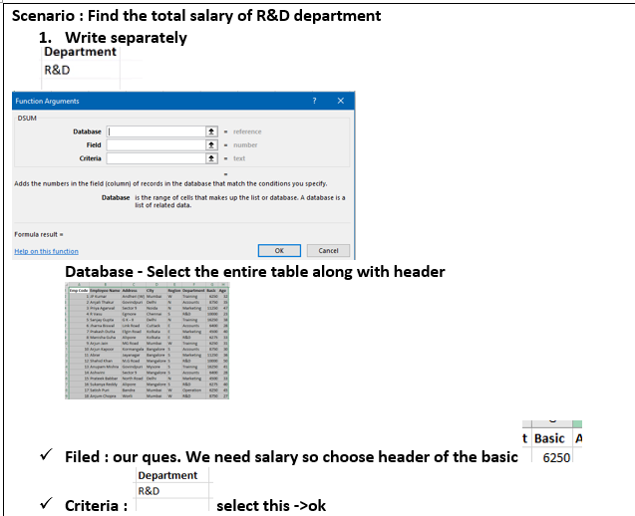
Emp Code | Employee Name | Address | City | Region | Department | Basic | Age |  | Department
1 | JP Kumar | Andheri (W) | Mumbai | W | Training | 6250 | 41 |  | R&D
2 | Anjali Thakur | Govindpuri | Delhi | N | Accounts | 8750 | 25 | DSUM | 41300
3 | Priya Agarwal | Sector 9 | Noida | N | Marketing | 11250 | 49
4 | R Vasu | Egmore | Chennai | S | R&D | 10000 | 47
5 | Sanjay Gupta | G K - II | Delhi | N | Training | 16250 | 29
6 | Jharna Biswal | Link Road | Cuttack | E | Accounts | 6400 | 37
7 | Prakash Dutta | Elgin Road | Kolkata | E | Marketing | 4500 | 50
8 | Manisha Guha | Alipore | Kolkata | E | R&D | 6275 | 41
9 | Arjun Jain | MG Road | Mumbai | W | Training | 6250 | 44
10 | Arjun Kapoor | Kormangala | Bangalore | S | Accounts | 8750 | 40
11 | Abrar | Jayanagar | Bangalore | S | Marketing | 11250 | 45
12 | Shahid Khan | M.G Road | Mangalore | S | R&D | 10000 | 27
13 | Anupam Mishra | Govindpuri | Mysore | S | Training | 16250 | 34
14 | Ashwini | Sector 9 | Mangalore | S | Accounts | 6400 | 21
15 | Prateek Babbar | North Road | Delhi | N | Marketing | 4500 | 50
16 | Sukanya Reddy | Alipore | Mangalore | S | R&D | 6275 | 33
17 | Satish Puri | Bandra | Mumbai | W | Operation | 6250 | 48
18 | Anjum Chopra | Worli | Mumbai | W | R&D | 8750 | 21
19 | Akram Khan | S P B Road | Pune | W | Operation | 11250 | 33
20 | Manish Grover | L L R Road | Noida | N | Training | 10000 | 28

Future Value
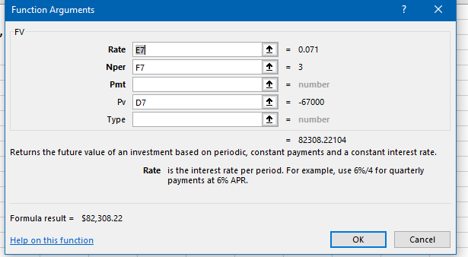

Principle | Rate | Time | FV
-67000 | 7.10% | 3 | $82,308.22

Goal Seek
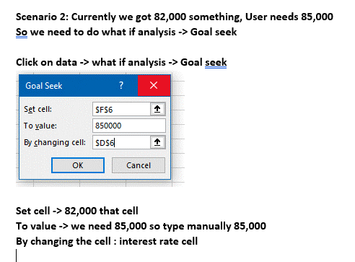

Principle | Rate | Time | FV
-67000 | 133.23% | 3 | $850,000.00

SUMINDIRECT
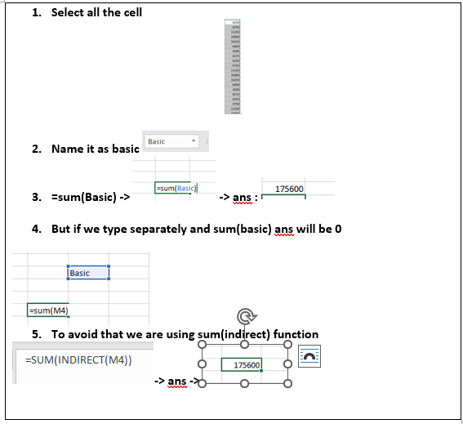
Emp Code | Employee Name | Address | City | Region | Department | Basic | Age
1 | JP Kumar | Andheri (W) | Mumbai | W | Training | 6250 | 48
2 | Anjali Thakur | Govindpuri | Delhi | N | Accounts | 8750 | 44 |  | 175600
3 | Priya Agarwal | Sector 9 | Noida | N | Marketing | 11250 | 27
4 | R Vasu | Egmore | Chennai | S | R&D | 10000 | 38 | Basic
5 | Sanjay Gupta | G K - II | Delhi | N | Training | 16250 | 43
6 | Jharna Biswal | Link Road | Cuttack | E | Accounts | 6400 | 47
7 | Prakash Dutta | Elgin Road | Kolkata | E | Marketing | 4500 | 27 | 175600
8 | Manisha Guha | Alipore | Kolkata | E | R&D | 6275 | 28
9 | Arjun Jain | MG Road | Mumbai | W | Training | 6250 | 24
10 | Arjun Kapoor | Kormangala | Bangalore | S | Accounts | 8750 | 26
11 | Abrar | Jayanagar | Bangalore | S | Marketing | 11250 | 38
12 | Shahid Khan | M.G Road | Mangalore | S | R&D | 10000 | 21
13 | Anupam Mishra | Govindpuri | Mysore | S | Training | 16250 | 29
14 | Ashwini | Sector 9 | Mangalore | S | Accounts | 6400 | 39
15 | Prateek Babbar | North Road | Delhi | N | Marketing | 4500 | 34
16 | Sukanya Reddy | Alipore | Mangalore | S | R&D | 6275 | 49
17 | Satish Puri | Bandra | Mumbai | W | Operation | 6250 | 39
18 | Anjum Chopra | Worli | Mumbai | W | R&D | 8750 | 32
19 | Akram Khan | S P B Road | Pune | W | Operation | 11250 | 25
20 | Manish Grover | L L R Road | Noida | N | Training | 10000 | 38

